Home
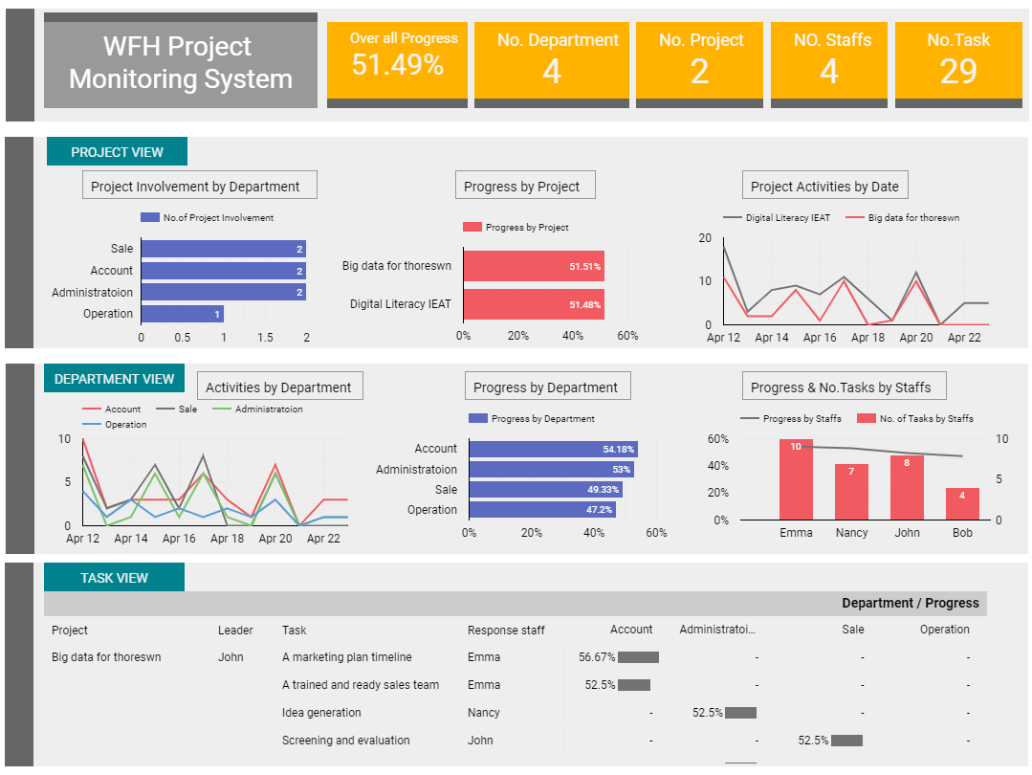
โจทย์

ต้องการ Dashboard สำหรับ Monitor 2 Project ระหว่างที่พนักงาน Work from Home
แต่ละ Project มีสมาชิกในทีมมาจาก 4 ฝ่าย (Sale,Account,Operation,Administration)
ผู้บริหารต้องการทราบความคืบหน้าของโครงการผ่าน Dashboard
1. ความคืบหน้าในภาพรวม
2. ความคืบหน้ารายโครงการ
3. ความคืบหน้าของแต่ละฝ่าย
4. ความคืบหน้ารายบุคคล
5. ความเคลื่อนไหวรายวันของการทำงาน
6. รายละเอียดของงาน(Task) ในแต่ละ Project

